Bug Report
Bug ID | Description | Steps to Reproduce | Attachments | Expected Results | Actual Results | Severity | Priority | Status
Bug-01 | Didn't display an error message<only name> | 1.Click AIR FORCE 2.CLICK Buy Now 3.Choose Green or Blue colour 4.Choose Size(42,43,44) 5.Click BUY NOW! 6.Enter name | 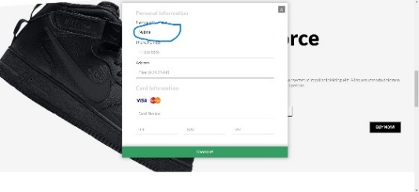 | Display an error message | Fail | Medium | Medium | New
Bug-02 | Didn't display an error message<only telephone> | 1.Click AIR FORCE 2.CLICK Buy Now 3.Choose Green or Blue colour 4.Choose Size(42,43,44) 5.Click BUY NOW! 6.Enter telephone<only> |  | Display an error message | Fail | Medium | Medium | New
Bug-03 | Didn't display an error message<only address> | 1.Click AIR FORCE 2.CLICK Buy Now 3.Choose Green or Blue colour 4.Choose Size(42,43,44) 5.Click BUY NOW! 6.Enter address<only> |  | Display an error message | Fail | Medium | Meium | New
Bug-04 | Didn't display an error message<only card details> | 1.Click AIR FORCE 2.CLICK Buy Now 3.Choose Green or Blue colour 4.Choose Size(42,43,44) 5.Click BUY NOW! 6.Enter card deyails<only> | 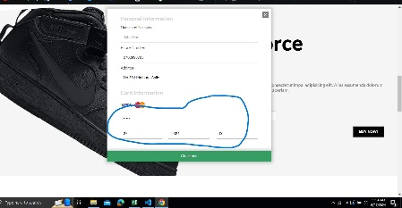 | Display an error message | Fail | Medium | Medium | New
Bug-05 | Didn't Display suceessful<valid all details> | 1.Click AIR FORCE 2.CLICK Buy Now 3.Choose Green or Blue colour 4.Choose Size(42,43,44) 5.Click BUY NOW! 6.Enter all valid details 7.Click Checkout | 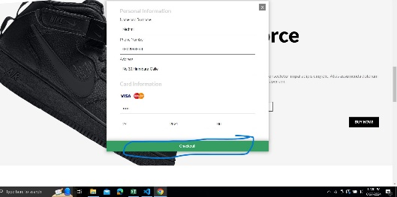 | Display an error message | Fail | High | High | New
Bug-06 | Didn't display an error message<only name> | 1.Click JORDAN 2.CLICK Buy Now 3.Choose White or Green colour 4.Choose size(42,43,44) 5.Click Buy Now! 6.Enter Name <only> | 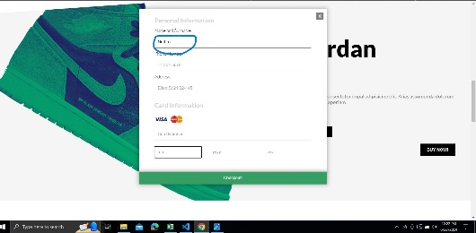 | Display an error message | Fail | Medium | Medium | New
Bug-07 | Didn't display an error message<only telephone> | 1.Click JORDAN 2.CLICK Buy Now 3.Choose White or Green colour 4.Choose size(42,43,44) 5.Click Buy Now! 6.Enter Phone <only> | 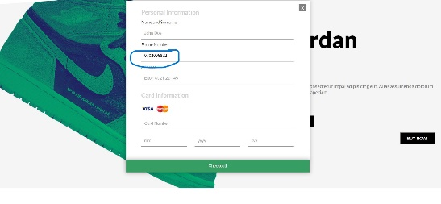 | Display an error message | Fail | Medium | Medium | New
Bug-08 | Didn't display an error message<only address> | 1.Click JORDAN 2.CLICK Buy Now 3.Choose White or Green colour 4.Choose size(42,43,44) 5.Click Buy Now! 6.Enter Address <only> | 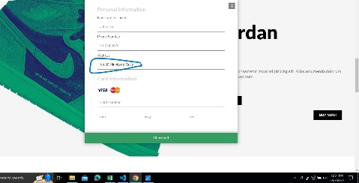 | Display an error message | Fail | Medium | Medium | New
Bug-09 | Didn't display an error message<only card details> | 1.Click JORDAN 2.CLICK Buy Now 3.Choose White or Green colour 4.Choose size(42,43,44) 5.Click Buy Now! 6.Enter Card details<only> | 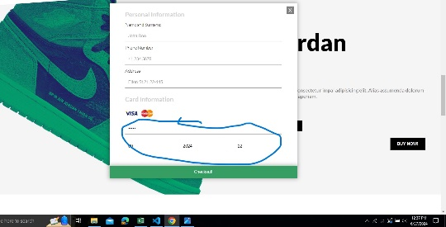 | Display an error message | Fail | Medium | Medium | New
Bug-10 | Display an error message<enter valid all details> | 1.Click JORDAN 2.CLICK Buy Now 3.Choose White or Green colour 4.Choose size(42,43,44) 5.Click Buy Now! 6.Enter All valid details | 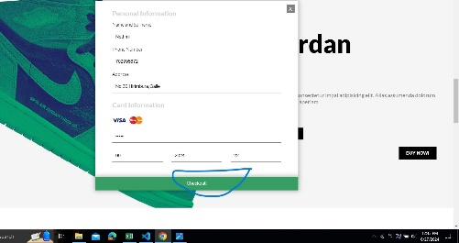 | Display an error message | Fail | High | High | New
Bug-11 | Display an error message<only name> | 1.Click BLAZER 2.Click Buy Now 3.Choose colours White or Green 4.Choose size(42,43,44) 5.Click BUY NOW! 6.Enter name<only> | 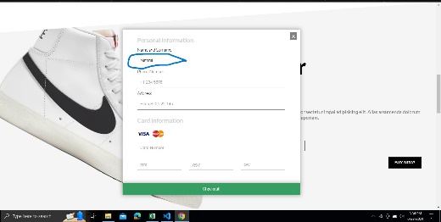 | Display an error message | Fail | Medium | Medium | New
Bug-12 | Display an error message<only telephone> | 1.Click BLAZER 2.Click Buy Now 3.Choose colours White or Green 4.Choose size(42,43,44) 5.Click BUY NOW! 6.Enter telephone<only> | 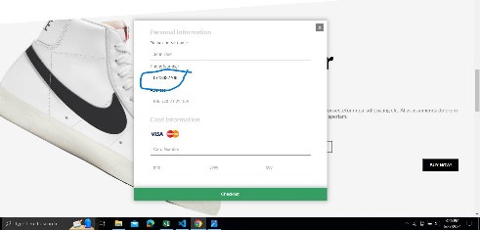 | Display an error message | Fail | Medium | Medium | New
Bug-13 | Display an error message<only address> | 1.Click BLAZER 2.Click Buy Now 3.Choose colours White or Green 4.Choose size(42,43,44) 5.Click BUY NOW! 6.Enter address<only> |  | Display an error message | Fail | Medium | Medium | New
Bug-14 | Display an error message<only card details> | 1.Click BLAZER 2.Click Buy Now 3.Choose colours White or Green 4.Choose size(42,43,44) 5.Click BUY NOW! 6.Enter card details<only> | 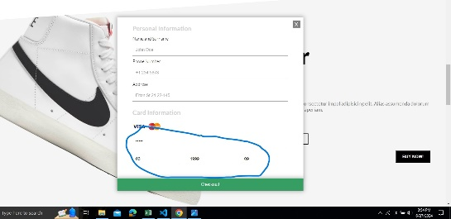 | Display an error message | Fail | Medium | Medium | New
Bug-15 | Display an error message<enter valid all details> | 1.Click BLAZER 2.Click Buy Now 3.Choose colours White or Green 4.Choose size(42,43,44) 5.Click BUY NOW! 6.Enter all valid details |  | Display an error message | Fail | Medium | Medium | New
Bug-16 | Display an error message<enter valid all details> | 1.Click CRATER 2.Click Buy Now 3.Choose White or Black colour 4.Choose size(42,43,44) 5.Click BUY NOW! 6.Enter all details 7.Click Checkout | 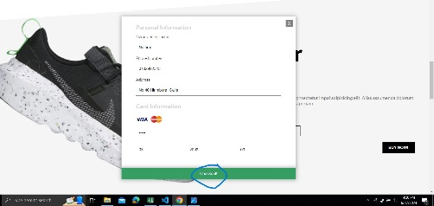 | Display an error message | Fail | High | High | New
Bug-17 | Display an error message<enter valid all details> | 1.Click Hippie 2.Click scroll down 3.Click Buy Now 4.Choose Gray or Black colour 5.Choose size(42,43,44) 6.Click BUY NOW! 7.Enter all valid details | 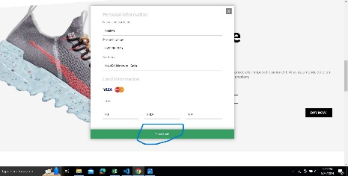 | Display an error message | Fail | High | High | New
Bug-18 | Display an error message<search item> | 1.Home pahe 2.Click search |  | Display an error message | Fail | Medium | Medium | New
Bug-19 | Display an error message<Limited Offer> | 1.Home page 2.Click Limited Offer | 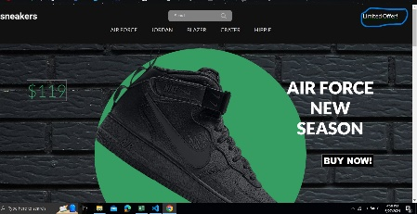 | Display an error message | Fail | Medium | Medium | New
Bug-20 | Can't click FREE SHIPPING | 1.Home page 2.Scroll down 3.Click FREE SHIPPING | 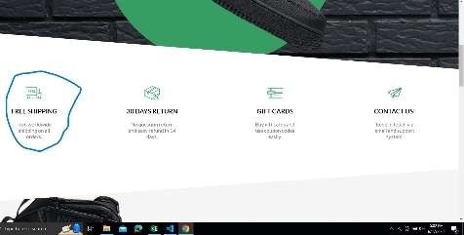 | Display an error message | Fail | Medium | Medium | New
Bug-21 | Can't click 30 DAYS RETURN | 1.Home page 2.Scroll down 3.Click 30 DAYS RETURN |  | Display an error message | Fail | Medium | Medium | New
Bug-22 | Can't click GIFT CARDS | 1.Home page 2.Scroll down 3.Click GIFT CARDS |  | Display an error message | Fail | Medium | Medium | New
Bug-23 | Can't click CONTACT US | 1.Home page 2.Scroll down 3.Click CONTACT CARDS |  | Display an error message | Fail | Medium | Medium | New
Bug-24 | Want to enter invalid email | 1.Home page 2.Scroll down 3.Fill invalid email |  | Display an error message | Fail | Medium | Medium | New
Bug-25 | Want to enter valid email | 1.Home page 2.Scroll down 3.Fill valid email |  | Display an error message | Fail | Medium | Medium | New
Bug-26 | Want to enter About us | 1.Home page 2.Scroll down 3.Click About us |  | Display an error message | Fail | Medium | Medium | New
Bug-27 | Want to click Useful links | 1.Home page 2.Scroll down 3.Click Useful links |  | Display an error message | Fail | Medium | Medium | New
Bug-28 | Want to click Products | 1.Home page 2.Scroll down 3.Click Products |  | Display an error message | Fail | Medium | Medium | New
Bug-29 | Want to click Social Medias | 1.Home page 2.Scroll down 3.Click Social Medias |  | Display an error message | Fail | Medium | Medium | New
Bug-30 | User can't use this website offline | 1.Home page 2.Click inspect 3.Click Network 4.Choose offline |  | Display an error message | Fail | Medium | Medium | New

